Sheet1
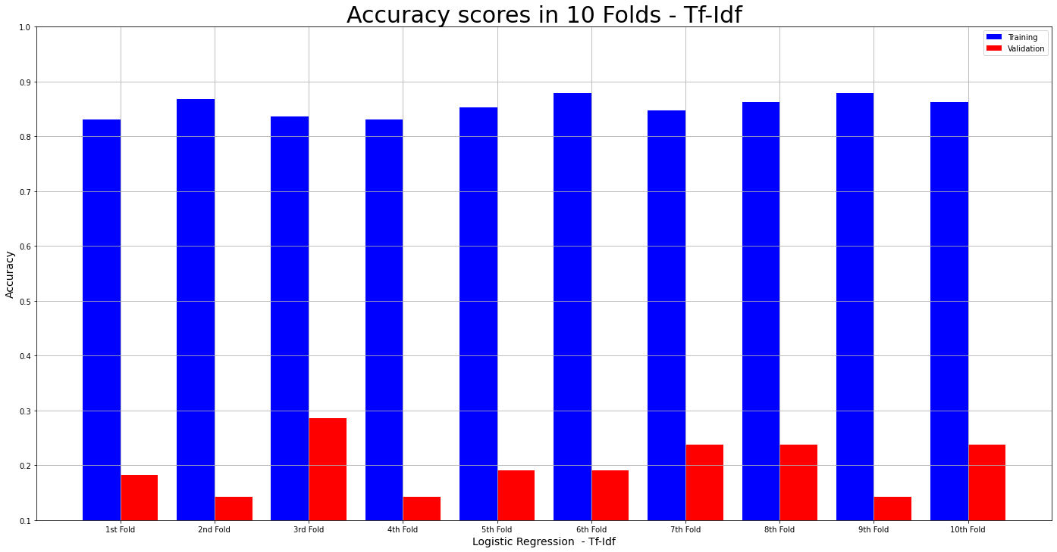
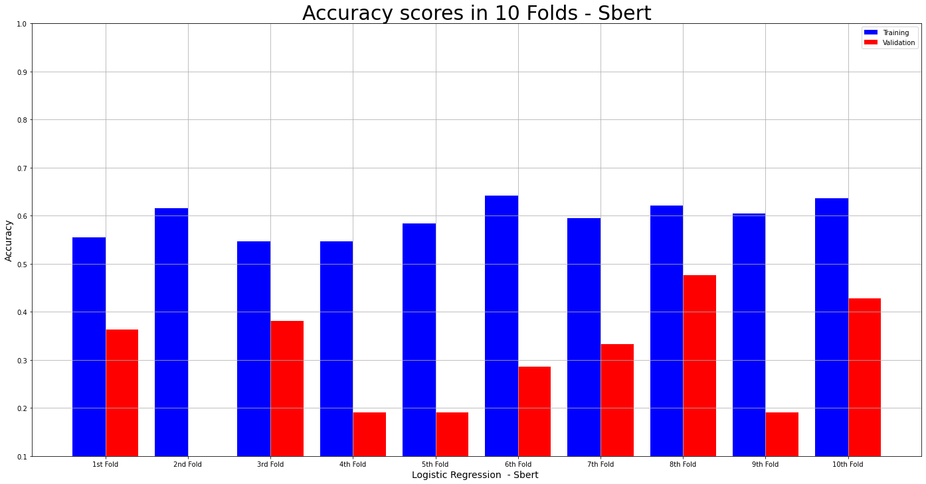
 | text | Cluster ID
0 | Advertising in Television is becoming more and more clever. | 10
1 | Lots of those ads invade our subconsciousness and try to make us buy the product even if we do not actually need it. | 8
2 | When it comes to children, lots of them don't have enough money to afford these products. | 12
3 | They don't even understand the concept of money. | 8
4 | Even if they wanted it, they can not get the thing they were told they need. | 12
5 | Also lots of children that age are prohibited watching television by their parents. | 3
6 | That way they don't even see the advertisements thus the feeling of needing the toy is not created. | 12
7 | And also children of that age do not have any intentions of actually buying these things. | 12
8 | For example when I was little, i used to watch an advert of a Lego set all the time and then choosing another toy for my birthday. | 20
9 | I was not influenced at all by the ad. | 6
10 | Those were some points pro advertising. | 10
11 | Although they seem good and reasonable, there are also lots of contra-ad-points. | 0
12 | For example if the feeling of needing the toy is eventually created, the children will harass their parents until they get what they wanted or they got somehing else. | 12
13 | This is quite annoying for any parent as my mother herself can agree. | 12
14 | Even more convincing of a ban of such advertisements are that when the child does not get that thing and other children get it, it creates the feeling of missing out something that should not be missed. | 6
15 | For example I always wanted to have a scooter because all the other kids had one and I thougt I would have such a great time had I had it. | 12
16 | And even more so is that children this young are much easier to influence than adults are. | 8
17 | They can not see past the triks these people are using. | 8
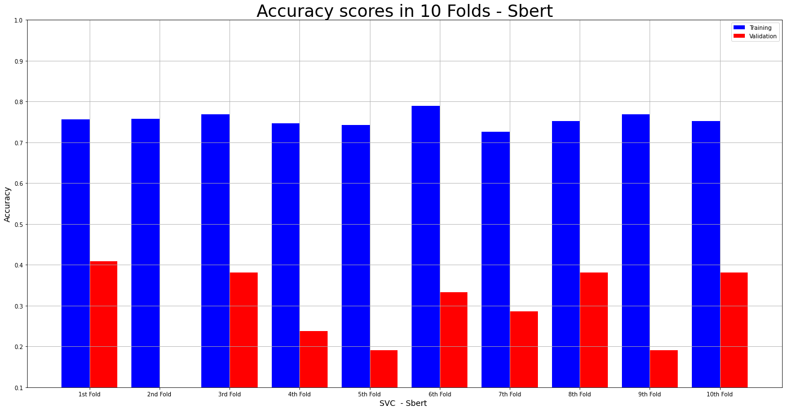
18 | Their minds are still developping and should not be filled with unnecessary ads. | 8
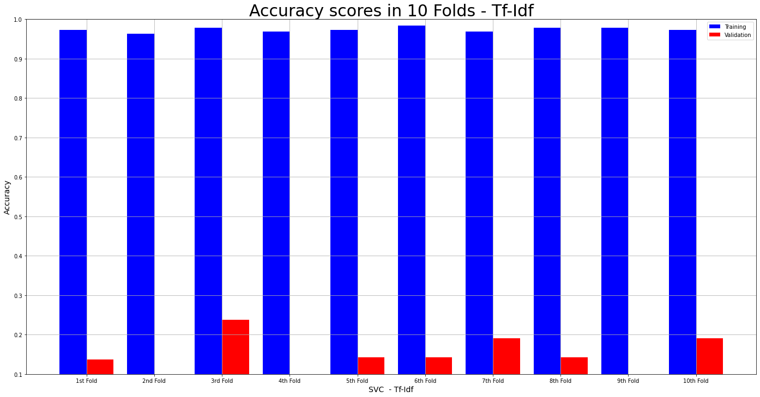
19 | In my opinion, advertising towards children should be banned. | 6
20 | The adverts should rather be directeed towards the parents of the child. | 8
21 | "Should it not be allowed to produce television advertising directed toward young children at the age between two and five?". | 6
22 | On this question is based the following text, which shows advantages and disadvantages including my personal opinion. | 0
23 | First, the main time a person is watching TV is during the evening. | 20
24 | Some people also watch a movie after lunch while they want to have a short sleep. | 20
25 | At this times a child aged two to five even sleeps too or it is playing with friends, so that the child can not see advertsisings. | 3
26 | However the television can be nessecary, because some kids have an evening routine in which they watch one serie of their favourite movie and afterwards they go better to sleep. | 3
27 | But during such a movie there is not more than one time advertising. | 20
28 | The most children are not interested in this advertsing and do not watch them, so that it is unnessecary to produce television advertising directed to young children, then they do not see them. | 6
29 | The most important argument is, that children aged two to five will never understand television advertising even if you show toys or pets, because they do not know the reason of advertising. | 6
30 | At my own opinion I will say, that television advertising for young children can be allowed, but it is not nessecary, because they do not watch much films . | 6
31 | Besides they do not care about the advertising and would not understand the background reasons for it. | 10
32 | In the following text, I`ll discuss the statement about the programm of television, which is directed to very young children by the age of two to five. | 20
33 | For me itÂ´s an important theme to talk about, because the medias in our time can be very dangerous for the developement of children and also teenagers, but in this moment the age of the young chldren is important for the statement. | 20
34 | I think, television is something, which is fun and free time for you, but it also can change your opinion about some topics and meanings, which you have. | 3
35 | Young children are very influenced by everything,which they see and hear, so the television can be dangerous or bad for them, but it can be allowed to cut them from the medias, but itÂ´s not the right way, I think. | 3
36 | ItÂ´s better to show them, how to handle with television or games or something like that, because the children are learning for their lifes and not just for the moment. | 15
37 | In the statement, itÂ´s described that very young children, from the age from two to five, should not watch television and for me it has something true, because in the age of two or three years, you should not watching televeison. | 3
38 | A little kid should play with its toys and parents and not watch televison the whole day, because it can be a negative point in its developement. | 15
39 | But I think, you canÂ´t say no with a law, so itÂ´s difficult to handle with this topic. | 0
40 | A solution can be, that the parents of the children have to handle right with this topic, because itÂ´s important for their children and their developement. | 12
41 | Older children, like with the age of five or six or elder, it is of course right and possible to watch television with a time, which is given by the parents, so that the cildren can watch a serie for one hour and then itÂ´s finished for this day. | 20
42 | So all in all, I agree at some parts with the statement, but not at all. | 20
43 | The main thing, that is important is the bad influence by television for too young children, so it could exists problems in future, which are developed by the television. | 3
44 | I think these argument would sure make sense if you want to protect your child against the capitalistic system we`re living in. | 12
45 | But it honestly makes no sense to let your child watch Tv if you`re against advertising. | 6
46 | Further it doesn`t really makes a different if the adverstising is directed toward a two year old girl or a 85 year old man, in any case the young child will get influenced by commercials. | 6
47 | The only difference is the way of how the child gets influenced. | 8
48 | Another argument against this statement is, that not only the advertising in television influences the children. | 8
49 | In fact the show they`re actually watching is far more influencing, than the commerials. | 10
50 | But in the other way you have say that this can be really bothering young parents, when their little son is coming downstairs and all he want is a new playstation because the television said only cool kids got playstations. | 8
51 | Sure you want your child to grow up without tv, but sometimes also the best mom needs a pause and places her son near the television so hes calm for a while. | 3
52 | My opinion is, that this statement doesn`t really makes sense. | 0
53 | If you want your child to grow up without beeing influenced by tv commercials, you don`t even buy a television. | 3
54 | In fact, you can buy your child an MP3 so it can listen to good music witch is much better and as highly entertaing as Spongebob Squarpants. | 12
55 | For the question, if the advertising directed toward young children shoul not be allowed, you can think on some opinions for and against it. | 6
56 | The television advertising is sometimes very funny and beautiful for the kids. | 2
57 | So they can lough and be happy. | 8
58 | They show some carracters that show the kids how they can do something, and the children are learning something. | 8
59 | But also there are some advertising that arenÂ´t very helpful to show children how they can do something or they can behave. | 8
60 | Sometimes the children learn something, they shouldnÂ´t learn. | 8
61 | A situation for example for this is when a child is sad because another child took his car for playing away, so the kid is really sad and donÂ´t know what he could do. | 8
62 | He saw an advertising where this happend and the solution was that the child hurt the other one, and that is not ok. | 8
63 | In reallife the kid who is sad, because he want his car back, knows that he can hurt the other one to get his car. | 8
64 | So itÂ´s not ok to show them this kind of stories because they learn from it... | 8
65 | They should show how to play a game or to take part in other plays where he can play with other children. | 15
66 | Also I think that children who are at the age of two to five shouldnÂ´t be allowed to watch tv because itÂ´s not good for their eyes. | 3
67 | ItÂ´s better for them to play in the kindergarten or to play with their mum. | 12
68 | There are some little things that could make them happy... for axample spending time with their mum, so they can build a better feeling for each other, because they get to know each other better. | 12
69 | How I said in the begining there are some funny and beautiful advertising which make the children smile and be happy, but I think that they can do other things for being happy. | 15
70 | So all in one I think that the Television advertising should be allowed, but those who make the children learn something they shouldnÂ´t learn shouldnÂ´t be allowed. | 6
71 | So the advertising should be controlled by some people that know what is right for children aged two to five. | 8
72 | , I agree with this statement, because especially today, where the kind of advertising, that is showed, isn't really childfriendly. | 6
73 | As an example, little time ago my little sister and I watched a kids film on a regular channel and suddenly a advertising about sex toys came up. | 8
74 | Of course they didn't know what this kind of toys are, but honestly it is a shame, that the television allows that. | 13
75 | Kids ask questions, if they didn't understand something, so maybe the parents won't tell them, what it is, but the bigger brother could explain them really well, what the practices are, that you do with these toys. | 12
76 | Through this they get much more involved in things, that are subject of grown-ups. | 8
77 | The whole fashion and cosmetic advertsing is also a huge problem. | 10
78 | The skinny, "beautiful" models present their products in a sexual way and talk in a seductive voice. | 10
79 | This can lead especially girls,but also boys, to think that this anorexic women or muscle men are the beauty ideals. | 8
80 | Because they are in an age, in which they are really manipulative and don't think for theirself, they are likely to take over the opinion of the people and things, that are around them or are shown them. | 8
81 | They want to be just like the models, that are in television, so skinny, so trained, so beautiful. | 8
82 | But to reach such an supernatural body image, they have to lose unhealthy weight, which is achieved trough eating disorders, and of course photoshop, also it can lead to psychic problems and suicide, because they didn't see themself as good enough. | 8
83 | In general children shouldn't waste time on electronic devises, which aren't the real world. | 8
84 | They learn much more about a good life, when they are in the woods or playing games with their friends. | 8
85 | So they learn to socialize and to respect each other. | 18
86 | This are two much important points to have as happy, self-employed and honest grown-up. | 20
87 | In the following text the question is discussed, if Television advertising directed toward young childre (aged two to five) should not be allowed. | 6
88 | There is a conrtoverse discussion about that subject for long now. | 20
89 | But is that really so unresponsible from the advertising industrie? | 10
90 | As capitalist and CEO you have the absolute right to advertise like that, because your goal is to catch eye-balls and to sell more of whatever product. | 10
91 | As a mother of 4 young children and not too much money though, you might not be so happy when your children always desire the fanciest toy. | 12
92 | So what to do about it? | 20
93 | For the advertisors young children are easy to connect with, because they do not have such a complex believe and decision making system as most adults do. | 8
94 | Therfore it is quite compelling for companies, to make cheap advertisements with good chance to succed. | 10
95 | On the other hand, it is exactly that, that young children are not able to distinguish useful and not useful information, that makes advertising toward this group questionable. | 8
96 | For the companies it is an easy way to get new customers, because when the children are growen up, and might have themself childern, they still will remember what they wanted in their childhood and so will buy it for their kids. | 12
97 | It is almost at the level of some kind of indoctrination so to speak, which makes it moraly unatractive to advertise towards young children. | 8
98 | In my opinion the resposibility lies by the parents of the children and not by the advertisors. | 8
99 | It is their problem, when they just let their child watch TV nine to five a day. | 3
100 | So they have to take responsibility for how their child develops and to control the input it gets from the environment. | 1
101 | Therefor i do not think one can prohibit to advertise toward young children. | 6
102 | The following text is about the named statement. | 20
103 | Television is today more impportant than in the past. | 20
104 | In the past the children go outside an play with other children. | 12
105 | So its different than today. | 20
106 | Most of children watch television so they are at their own. | 3
107 | I disagree with this statement because young children aged of two to five should be learn to play with other children at their age. | 8
108 | When they look tv the children are independent of this media so they can't live without watching tv. | 3
109 | So the children should be play with their parents or with other children because they aren't be alone and also they meet new people. | 18
110 | The reason is that they are in contact with others and that's better for their future. | 8
111 | It ist so important because later they can meet new friends easier than without playing with others. | 18
112 | The children without playimg with other children don't know the contact with others. | 18
113 | So the relationship to other children is better when the children play with other children. | 18
114 | An arguement could be that the television shows pograms which aren't good for young children. | 3
115 | Also the pograms are for older children (aged seven). | 3
116 | Many pograms aren't real but the children watch them and think they want do the same. | 8
117 | So the television isn't real. | 20
118 | Many pograms could be dangerous for young children so they dreams bad and that's not good for their little life. | 3
119 | Much peeple say that television is good for their future and it's is the real life b ut it isn't it. | 3
120 | The shows are played of actors who leatn their text and then play it for the camera and the pproducer. | 20
121 | So it isn't the real life. | 8
122 | "The children can learn of watching tv" That isn't right because the children learn more in playing with toys. | 3
123 | Beside they learn the rules of their parents and they know in which their are allowed to something and what it isn't allowed to do. | 8
124 | So the children should'nt watch television because they are things which are better than that. | 3
125 | Also the independence of watching television is tall so later when they are older they want watching tv all the time. | 3
126 | Then they don't meet friends or do a hobby. | 3
127 | The age of two to five is the most important time of the life of a children because they learn so much about the life and deleope in a fast time. | 12
128 | The developement of a child in this age is | 20
129 | There are arguments for and against the prohibition of television advertising directed toward younger children, which I will summarize and analyze in the following text . | 6
130 | First of all it is well-known that little children are heavily influenced by their surroundings, so that they can get manipulated easily as well. | 8
131 | This can be used effectively by television advertisements, which portray them a false picture of reality, causing children to ask their parents for things they don't actually need. | 8
132 | This is often the case with toys, that are shown to be really fun in advertisements, while in reality they often are quite lame. | 13
133 | Additionally children can't even realize, when they are getting baited by a company, so that it is up to the parents to explain why a particular product is not as good as portraied in the TV, which most of the time can't be understood by children, which might lead to some sort of unhappiness. | 8
134 | Nevertheless one can argue if this is reason enough to prohibit advertisements directed toward young children, since it would be pretty hard to establish. | 6
135 | Nowadays it is common, that even little children spend some time in front of the TV and since there has to be some sort of advertising between two shows that are made for children, it wouldn't be too clever to put something in there, that isn't directed toward children as well. | 3
136 | Furthermore there are some advertisements that might have a positive consequence on children, for example if an ad promotes physical activity, like going outside and playing with friends, although this is quite rarely the case. | 8
137 | Eventually I think that it really depends on what sort of advertisement it is and what product is getting advertised. | 10
138 | As for the previous example with toys: if a false picture of the toy is portraied, to bait consumers into buying, that is obviously not the right way to do it. | 8
139 | However an absolute prohibition is, in my opinion, nearly impossible to to happen, because TV companies have to earn their money and companies that produce shows for children are no exception. | 6
140 | But as just mentioned, it's the quality of the advertisement that really matters, thus instead of wanting to prohibit them all, one should rather ask for more appropriate ads, that don't damage young children in any way. | 6
141 | The following essay deals with the question wether telivision advertising directed toward young children aged two to five should be allowed. | 6
142 | For children the ages two to five are the most important year of development. | 12
143 | They learn speaking and walking and a lot of other important things. | 8
144 | The young children should play outside or do other stuff than sitting in fornt of a television and watch some strange series. | 15
145 | Later in life they'll watch a lot of tv and in childhood they shouldn't spend their time with this. | 3
146 | If they watch series for example the "KrÃ¼melmoster" they may have the same ideas as the actors and do things they aren't allowed or get hurt while doing this. | 8
147 | The development in this young age is very importent. | 8
148 | One can't really tell them what to do ore not, they will experience this themselves. | 8
149 | But without watching TV they will meet some friends and are outside in the natur. | 3
150 | They create other ideas without the influence of television. | 3
151 | They get social contacts which they can't make if they only spend their time infront of the TV. | 3
152 | For example I got to know my best friend with the age of 1 because our mothers are friends and we only spend out time outside and played with the dogs or by bad weather we built thing and played memories. | 20
153 | We weren't allowed to watch television and later the only thing we watched was the sandman. | 20
154 | This only goes ten minutes and was nearly before our bedtime. | 20
155 | The age of two to five is the time for children in the kindergarden and there they learn how to behave with other kids, so it's important not to destroy this at home. | 12
156 | In my oppinion television advertising shouldn't be allowed. | 6
157 | Television advertising directed toward young children should not be allowed. | 6
158 | With this statement the following text is occupied. | 20
159 | IÂ´m going to compare advantages and disadvantages. | 0
160 | An arguement, why children should not be allowed to use Television with the age of two to five is, that they are to young to understand a lot of things, which are told there. | 3
161 | Parents should make sure that their children grows up with things, which are important fot theier future. | 12
162 | For example, children with the age of two to five should reed some books or play games like football. | 15
163 | Also they could draw some pictures or learn, how to spell theier names. | 12
164 | If children with young age only watch TV, they will do this also with older age. | 3
165 | An advantage is, that a children with young age often has to be alone, because the parents have to work the whole day or must have to do something, where a little children is not usefull. | 12
166 | Than they could watch TV, with the result that their fixed on the Television. | 3
167 | Also if a children watch important politically soaps earlier, it grows up with a better knowledge of the important things of life. | 3
168 | But it does not make sense that a young aged children is able to get important information. | 8
169 | A young children with the age of two to five has to learn the calours or how to differences animals with other animals, for example. | 12
170 | It is better to show them books with a lot of picures than to let them whatch TV .Young children should also play outside with friends, because they have to learn the difference of the real world and the world that is showed by the medias. | 15
171 | As a result I agree with the statement, because there are a lot of disadvantages and only a few advantages. | 0
172 | I think there are a lot of more things, children with young age could do much better than watch Television. | 15
173 | In my opinion, children, who look at pictures or learn the colours with young age have a lot of knwoledge more than children watching TV. | 3
174 | Television advertising is often directed to certain groups of people. | 10
175 | One of them are children who are between two and five years old. | 12
176 | There are some people who say that this kind of advertising should not be allowed. | 6
177 | In the following I will present my opinion on this topic. | 0
178 | In my opionion there are two sides to this statement. | 0
179 | I can agree with the people who are saying that this kind of advertising should be forbidden. | 6
180 | Children who are that young don't know how to compromise it. | 8
181 | The ads are making everything more colorful and brighter, and they do not necessarily show reality. | 10
182 | The children really want to have the product and might annoy their parents until they buy it. | 12
183 | It's also not fair of the marketing people. | 10
184 | They use young children, who might never had contact to any kind of media before, just to make money. | 10
185 | They know exactly what the children want and they use this knowledge, just to make themselves richer. | 12
186 | But on the other hand, there are some reasons why I disagree with this statement. | 20
187 | Even if the child really wants the product that was advertised on TV, the decisions if it's bought or not will be made by the parents. | 12
188 | The child can't just buy things on its own. | 12
189 | The role of the parents is another reason, why I think commercials should be allowed: the parents can decide when and how often children watch TV. | 6
190 | And it is their decision if they want a two- year old boy or girl to watch TV. | 3
191 | The other reason why it should be allowed is one simple thing: you can't hide advertising. | 10
192 | Sooner or later the kids will be confronted with ads, and it could be good to let them know early enough that it is out there. | 6
193 | When they become older they will know better how to handle advertisment. | 8
194 | Children will know, that they can't have everything they want and that not everything is like it is in TV. | 8
195 | The things shown in the commercials aren't reality, but it is the reality that commercials are out there in real life. | 9
196 | And if TV advertisment towards children isn't allowed, commercials in magazines, on the radio and especially on the Internet shouldn't be allowed as well. | 6
197 | Children get a phone earlier every generation, and with that they have the connection to everything that is out there. | 8
198 | And the internet is even harder to control than TV. | 20
199 | One decision must lead to other decisions as well. | 8
200 | All-in-all I say, that I disagree with the ststement "Television advertising directed toward younger children should not be allowed". | 6
201 | The parents have the chance to decide what the child does and what is bought in the end. | 12
202 | And children will be confronted with commercials anyway, it is not just on TV. | 6
203 | My first thought was, that this schouldn't be a problem. | 20
204 | When children see advertisement, it has an effect on them, but they aren't able to buy something on their own. | 8
205 | When the kids get older they are of course able to buy something. | 12
206 | But at this age I think the kids should be more ore less informed and don't let themself manipulate to strong from advertisement. | 8
207 | But here i am talking about children who have an average TV consume. | 20
208 | When a kid spends more time infront of the television, the effects could be worse. | 3
209 | The influence of the mother is important I think. | 12
210 | When the TV cosume is regulated and when the mother don't just leaves advertisements uncommented. | 20
211 | In general I think its better when the kids are confronted early with advertisement, because it is a part of the television programm. | 2
212 | When they see commercials at an older age they, they also have to learn how to handle it. | 8
213 | An important point for me is what is advertised. | 10
214 | If its for food, an action park, toys or other TV programms. | 12
215 | As is said food advertisement shouldn't be a problem, because here the parents can decide wheter to buy something or not. | 12
216 | When there is advertisement for other TV shows or films, it will probably affect the kids but also here the parents can help by just regulating the time her child is infront of the TV. | 3
217 | Important is that an advertisement don't scare kids. | 8
218 | I think the reasons why you should show little kids advertisement overweigh and I actually think, that isn't a big problem too. | 6
219 | Much more important is how the parents educate their kids. | 8
220 | Should advertising toward young children be allowed? | 6
221 | In this essay I will show off the advantages and disadvantages of this topic and comment on it. | 0
222 | Of course it is interesting for a little girl to watch TV and see a doll in the advertising that wants to play with her. | 15
223 | But what if the mother of the girl is so poor, she works everyday to be able to buy food and has no money for that doll? | 12
224 | The girls wants the doll so bad that the mother doesn't know how to react. | 12
225 | The doll can even talk and dance, but that is why she is so expensive. | 12
226 | Now imagine the girl never saw this advertising. | 20
227 | She wouldn't talk about this doll and her mother wouldn't be in despair. | 12
228 | In my opinion advertising toward young children shouln't be allowed. | 6
229 | Children don't earn money and can't buy things on their own. | 12
230 | Many children spend too much time on watching TV. | 3
231 | People go working and people have families. | 20
232 | Sometimes it is hard to connect working and having a family. | 20
233 | Exspecially if a mother thinks, that she can't make her daughter happy because of not buying a doll she saw while watching television advertising. | 8
234 | The following text discusses the statement if television advertising directed toward young children in the age of two to five should be allowed or not. | 6
235 | Imagine, young children sitting infront of the television. | 3
236 | If those young children see advertising for the necessary or the right stuff it might be usefull that they watch this advertising. | 12
237 | Although they are directed toward the children the ads can be usefull for the parents. | 2
238 | But on the other hand they are just kids and so they would be totally influenced by this. | 8
239 | Even adults are influenced by advertising because it sticks to your mind and you can't influence which advertising you watch. | 8
240 | So young children who aren't grown up at all would be victims of those advertisings. | 8
241 | Furthermore if the parents don't control their kids they watch many of those ads so that in the end the children have a complete wrong view of the reality because they think thst those ads show the reality. | 8
242 | In my opinion, I would forbit those ads because I think that children should grow up without all the influence and should do other stuff then watching the tv. | 6
243 | So, I as a mother, would not want that my kid watches all the ads which show my kid a different way of the reality. | 8
244 | Did young children bacame addicted to modern technic? | 8
245 | In the following text I am going to discuss the question and will give my own opinion about the statement wether television should be allowed to young children or not. | 3
246 | I recognised that many children grow up different since I bacame older. | 20
247 | Some of them does not know the old classics like playing outside "I build my one garden" or games which have to do with fantasy and your own imagination. | 8
248 | They replace their imagionation with a cartoon instead of thinking on their own. | 8
249 | I think it is important that you as a parent support the devolpment of your child. | 12
250 | Many young children are not really recognised by their parents. | 12
251 | Instead of spending their time with them they make their life easier and put them infront of a television. | 3
252 | I know that it is not easy to raise up a child, but you decided wether you can handle the stress and work or not. | 12
253 | You know that a child will bring up problems and(verantwortung) ...... | 12
254 | It is not bad for the child if it watchs TV a few times a week, but it has to be controlled the time and easpacially what kind of TV they are watching. | 3
255 | Otherwise I think it is not possible to forbid television for children under five years, because each parents have their own way to let their kid grow. | 3
256 | It does not mean that television makes you child uncreative or stupid but showing your child how to handle all these unreal and given impressions is important for his/ her following development. | 3
257 | Finally I can say that I do not agree with the given statement, bacause if you forbit something it bacomes more interesting. | 20
258 | You have to know how to handle the modern development of technic in our world and not to allow something is not the right way. | 0
259 | Prepare your children right for the modern world. | 12
260 | In the following text i will discuss if "Television advertising directed toward young children(aged two to five) should not be allowed" General Television advertising influence of course all of the people,also young people,because the advertise is always shown in a perfect way without faults, because they want that everybody will buy the product,so therefore they will earn a lot of money.When young people see something very special for them on the television, they tell their parents that they want it, but they only want it, because it was shown so perfect and not because they tried it. | 6
261 | At the most time the products are very expensive and the parents do not want it to buy for the children. | 12
262 | But i also think that children with two years do not recognize the advertise so well than children with five years. | 12
263 | The two years old children will not react like five years old children, maybe they will strike or something like that,if they do not get that product. | 12
264 | But the two years old children will forget it and maybe their parents will buy another toy/product which is better and cheaper and the child will also be happy about it. | 12
265 | I think that the statement "Television advertising directed toward young children (aged two to five) should not be allowed" is right in a way, but i think that children until three years do not have the knowledge about that stuff, so thatÂ´s why i think young children until three can see television advertising, but for older young children until six or seven, when they come to school,it schould not be allowed, because they have the knowledge and can discuss withe their parents about it. | 6
266 | Many people don`t like advertisements for young children, especially for children from two to five. | 8
267 | First, television is not good for young children, and many of these young children aren`t even allowed to watch TV. | 3
268 | And if they are allowed to - for example half an hour, the parents (and the children too) doesn`t want to have different advertisements in TV. | 3
269 | The parents because they think it`s not good for the child, it may want something, it doesn`t need, and the child just wants to watch its series on TV. | 8
270 | Advertisements would only steal them their expensive and very short time. | 10
271 | Theres another argument against advertisements towards young children: Imagine, you`re a children at age two to five. | 6
272 | Would you be interestet in buying stuff to play with? | 12
273 | Yes, of course you would be. | 20
274 | So you ask your parents to buy these toys for you, and (as actually everytime you ask) they say no. | 12
275 | This is sad and depressing, isn`t ist? | 20
276 | So some companies may save the children from being sad and do the advertisements towards the parents, maybe with some deeper information for them. | 8
277 | But there are also some reasons for advertisements towars young children. | 8
278 | For so many children its too difficult to learn, that parents often don`t allow them to be outside until 9pm or like in this discussion, buying some playing stuff (from the advertisements) for them. | 15
279 | They must accept, that they cannot have everything. | 12
280 | And if they weren`t confronted by advertisements and the `no` of their parents, they never learn it. | 8
281 | Another important thing is the knowledge of the children. | 12
282 | They actually never get to know different toys, like 'Barbie', 'Lego' or even 'Playmobil'. | 12
283 | Probably the parents don`t go to a toy shop with their kids very often, so an advertisement is a good way to get to know some playing stuff. | 12
284 | And some of these different toys will show them tecnical and motorical skills. | 12
285 | So all in all I would say, advertisements for young children are a good thing to get them learn to hear a 'no' and to let their skills grow. | 2
286 | The only important point is the behaviour of the parents toward the children. | 8
287 | They are supposed to look for their children, to not let them too often watch TV and espacially not too long - it would be bad for the child. | 1
288 | Buying some (of course not everything they want) toys for the children and let them play with them or reading a book with them are much better opportunities. | 12
289 | Should television advertising directed toward young children (aged two to five) be forbidden? | 6
290 | In the following text I am going to name reasons for and against this statement and show my own opinion. | 0
291 | In the television there are several different ways of advertising for a product or an campaign. | 10
292 | For example songs that you will remember even four weeks later or situations out of daily life. | 20
293 | Besides you can watch advertisements in TV that show people who do embarassing things so that the spectators laugh about them. | 8
294 | That`s why there is the problem of advertisements directed toward little children in the age from two to five. | 8
295 | As they are able to sing the song that they listened to in television or want exactly these cookies that their star is eating in the advertisement too. | 20
296 | That these little persons are influenced by such advertisement is a sad fact. | 8
297 | One can pretend them from that by forbid them to watch TV. | 3
298 | Apart from television there are so much interesting things to do and let them know how things are working: for example showing them how to bake a cake, drawing pictures or doing other creative work. | 15
299 | But there are also reasons that are for the idea of allowing advertisements toward little children in TV. | 6
300 | The earlier they are confronted to advertisements the better they can resist them when they are older. | 8
301 | That would cause not buying the things that one has seen in TV but instead of that being independent from the advertisements. | 8
302 | All in all I would say that I donÂ´t agree with the statement that television advertising directed toward young children should not be allowed because I think that there is nothing to worry about if little children come in contact with television advertisements. | 6
303 | So nobody cares when you watch them first. | 20
304 | It is clear that you are going to watch them ones and it could be a way to make people resistant to advertisements. | 10
305 | In the following text I am going to evaluate if I agree or disagree with the statement that television advertising directed toward young children should not be allowed. | 6
306 | Usually I would say that it does not matter to me what kind of advertisement they are showing during different shows or films, but this statement made me think about it. | 10
307 | And so now this is waht I came up with. | 20
308 | Advertisement is something that we all hate I guess I can say that. | 10
309 | But sometimes especially the ones for little kids are just funny and entertaining to watch. | 20
310 | Furthermore it is brilliant to see how happy kids can get just by watching the little clip of maybe just 10 seconds. | 20
311 | Also, isn't it just really nice to see all the new things they are inventing for them? | 10
312 | And sometimes you even feel like you want to be a little kid again just to be able to try all these brand-new amazing things. | 20
313 | But there is also the other side of the problem. | 8
314 | First of all I think that children in that age should not be watching as much television at all. | 3
315 | I feel like if they are watching all these advertisements between their movie they are going to want these things really bad most of the times. | 12
316 | We all know that situation don't we? | 20
317 | There is a new advertisement on the TV showing something really nice, you are going to get the feeling of really wanting to be owner of this. | 20
318 | So it can start to be really annoying, especially for parents, if kids will never stop talking about wanting what they just saw on the TV. | 3
319 | The parents, or somebody else, eventually has to buy it and after a while it gets boring or they are going to start wanting something new. | 12
320 | So people just keep spending money and more money on things their kids see in an advertisement. | 8
321 | Moreover industries invent toys or other things that are dangerous for kids. | 8
322 | If they are going to see that on the TV, they are going to really want to play with something like that. | 12
323 | In addition to that I can say that advertisements are rarely showing the truth. | 8
324 | Sometimes the toy or whatever isn't as fancy as it seems or people in the advertisement do not show the right behavior that the parents taught them before, so kids are going to question everything and we all know how annoying this could end. | 8
325 | Also, did you realize that we barely even have conversations in this time anymore? | 20
326 | We barely talk to each other and that is also because of people spending too much time with social media and other electronical devices. | 20
327 | I think the little kids from today should go outside and ask their friend about their new toy better than watching TV and seeing all the new things there. | 15
328 | I also remember me having fun to go outside and not having to worry about an television advertisement. | 20
329 | But I sure have to say that I remember me really wanting something from an advertisement as well. | 20
330 | As you can see this is a topic people could probably discuss about all day. | 20
331 | But in my opinion I have to say that I do agree with the statement above. | 20
332 | I think television advertisement toward young children should not be allowed, because there is so many more exciting things in this world they should see, and they shouldn't get jealous of other kids, because they have something new from the advertisement that they do not have. | 6
333 | And also, their parents would probably also have a much easier life. | 12
334 | In the following text I am going to mention some arguments for and against the statement: "Telivision advertising directet toward young children should not be allowed". | 6
335 | May one can say that advertising directed toward young children should be allowed, because it is allowed to be directed toward everyone in every age. | 6
336 | Of course it is a weak argument, but at least it is one. | 20
337 | Also one has to add that young children aged two to five normally do not watch TV that often. | 3
338 | Therefore it does not really matter if there is that kind of advertising or not. | 10
339 | But in case that the children watch TV nearly all day it could be helpful for later. | 3
340 | Maybe the children are not interested in this advertising in a way and do not listen to it or watch it. | 12
341 | So there is the chance that they won't be interested in advertisding later as well, so they won't be easily influenced. | 2
342 | But that is only guessed. | 20
343 | One aspect that is against television advertising directed toward young people is that it is not good to get influenced in this young age. | 6
344 | And if one thinks about it in a rational way, it becomes clear that children are interested in advertising. | 8
345 | Especially, if the advertising presents new things to play with. | 10
346 | Also, they do not really have the chance to have or to build an own opinion, because they are too young. | 8
347 | As a consequence they need to agree with the advertising or at least to believe it is true. | 8
348 | For example if it is about a new snack that is "so good for children, because it suppports them in becoming large and stong" but actually its main ingredient is sugarl. | 8
349 | So they believe in wrong things and regard lies as true. | 8
350 | This could be a problem for their later life, because they won't be able to see the difference between lies and the truth. | 8
351 | All in all, television advertising directed toward young children should not be allowed in my opinion. | 6
352 | That is because the danger of getting influenced is too big and this could be a problem for the whole life of the children.+ | 8
353 | In the following I tell you my oppinion of the question, if Television advertising directed toward young children between two to five years shuold not be allowed. | 6
354 | In my mind it is not a question of the age of the children, because i think that television is not good for anybody, but I think everybody has to chose for his self, because it is his or her life and not the life of the anyone else. | 3
355 | So I think, that the parents have to chose if there children are allowed to have a Television. | 1
356 | The children hast to learn about the politics and know what is beeing in the world, but kids under five years would not be interested of the politics and the other things to learn in the Television, so the films and series for kids have to be kontrolled by the parents. | 15
357 | So they can not whatch films and series, which are not allowed for them. | 20
358 | The kids have to whatch films and series to learn also from them , who made for the children, but they dont have to have a Television for him or herself. | 15
359 | It is a part of the the youth of many kids, they not have to have a Television to have a good youth, because if the parents spend time for their children, they can also have fun without an own tv. | 15
360 | So if the parents dont want to allow a TV for the childs, they have to soend time for them. | 3
361 | But if the parents can say stop if the child whatched to much TV or watch movies and serier, which are not allowed to whatch for a child in his age, then I think the Child should be allowed to have or watch TV. | 3
362 | To sum up, I am against this toward, because not every parents have time to spend time for his or her children and the Tv is a good alternative to entertain the children. | 3
363 | So every parents had to chose for his own child and also for themself. | 8
364 | Chlidren form the age of two to five have not been able to develop their own charcter jet, that makes them an easy target for advertisement, because they are easy to influence. | 8
365 | The Question now is, should advertisement directed to children, of the named age, not be allowed ? | 6
366 | Children of the age from two to five are the future of the human society, which means that they are the ones that will determ the things that will be bought, in the future, and the standards that will define our future society. | 12
367 | Advertisement for children does not have to be a bad thing, it can be used to influence them so that their behaviour will have a positive effekt on society and nature. | 2
368 | The promblem with advertisement, which is directet to children, is that it does not aim for a better futer. | 2
369 | The people that make the advertisment aim for money, they mainly see their own profit and not the negative influence they have on children. | 8
370 | By trying to sell their products, they can set unrealistic standars of beauty or material things that children may want to own one day. | 8
371 | The consequences of this can be depression, because nobody is happy with their body or with the stuff they own and they will simply be unhappy. | 0
372 | Children should have the chance to develop their own character as isolatet from advertisement as possible, so that they can find out for themselves, what they want to look like and what they want to own and in which way they can find pleasure and happines. | 8
373 | Bacause of these given arguments I come to the conclusion, that advertisment directet to children should not be allowed because it takes away their chance to develop their own individual charcter. | 6
374 | This statement is a very important question for the whole world. | 20
375 | It contains the whole earth and everybody is guilty for that. | 20
376 | At first I would say that television should not be allowed to young children, because they are to young and they should not sit next to the television. | 3
377 | The television could damage there eyes and that's not healthy too. | 3
378 | They should go out and playing, they have a lot of time in the following years to watch television or to work with the computers. | 15
379 | They should enjoy there childhood without the electric things. | 12
380 | But otherwise they can learn a lot in the television. | 3
381 | They can learn some new things with fun. | 8
382 | Especially with cartoons you can learn lot of new things. | 20
383 | There's no child who didn't likes to watch cartoons. | 20
384 | On the television you can learn something about the live, and you can be prepared for school. | 2
385 | Surely they are contra arguments. | 20
386 | The children can learn with other things, for example with puzzle or card games. | 15
387 | There are lot of other possibilites to learn something new. | 8
388 | At the age of two to five you start to explore the world. | 12
389 | You want to learn new things and you especially like the colours of the television. | 20
390 | My opinion is that the children should watch television, because when you are at the age of two to five you start to explore the world and the television is a really good possibility for do that. | 15
391 | You can learn a lot in the television, for example with cartoons. | 20
392 | Every child likes cartoons as apes bananas. | 20
393 | Surely it isn't so healthy to be next to the television all the time, but when you watch it regullary at many periods of time, than it can be really good for you. | 3
394 | I am definitely not agree to that . | 20
395 | A argument on the statement "Television advertising directed toward young children (aged two to five) should not be allowed". | 6
396 | First i will write the argument against the statement. | 0
397 | Children should decide themselves what they want and advertising helps them to gain information about the things they could possibly need. | 6
398 | In this age they are already able to show us what they want. | 12
399 | The Children probably don't even understand the television advertisment, but the parents like the advertisment more when it is a well made advertisment. | 8
400 | Young Children should not watch too much television anyways, so the parents have to control what their children watch. | 1
401 | Second i will write arguments for the statement. | 20
402 | The advertisment has an influence on the Children and in this age they don't know when they are under an influence. | 8
403 | Additionaly only the parents know what they can afford and the Children don't think about the price of something they just want it or not. | 12
404 | The Children might even get unhappy because their parents can not afford what they want, and the Children don't understand why their parents don't buy them what they want because they don't understand the use of money. | 12
405 | I think that television advertising that is directed towards young Children should not be allowed, but young Children should not watch much television and the parents should control what their Children watch. | 6
406 | Televison advertising to young children in the ages of two to five years should be allowed because they learn how to use the medium in a good way. | 6
407 | They should know which programmes they are allowed to see and which ones aren't good for their ages. | 3
408 | Televison adevertising can influence the children in a way so they would like to see all the stuff they hear and also see and have no feeling for a good amount af time they watch TV. | 3
409 | The televison can make dependant so the childrens have no feeling for how long it is good to look at the televison. | 3
410 | They only know the virtual world and haven't got an idea what else there is in the world. | 8
411 | The children haven't got lots of social contacts. | 3
412 | Later in school this can be a problem beacause they aren't able to work and play with other classmates or friends in the same age. | 8
413 | The televison also can make that the childrens which are often watch programmes suffer at being concentrated and have no feeling for a good amount of watching TV. | 3
414 | But the televison is usefull to learn important things like the colours or how to count or to learn the language. | 2
415 | But it is only good when they look at specific programmes which are especially made for childrens. | 2
416 | When they look at programmes which aren't allowed for their ages they can feel frighten. | 8
417 | In my opinion it isn't a good thing to advertising toward young children because they don't know which damage it can make when they look all the programmes which are directed to them. | 6
418 | But it can be a good thing if they watch at programmes which are especially made for them. | 3
419 | So they can learn to count, learn the colours or only to sleep better at night. | 3
420 | I think there shouldn't be televison advertising directed to young childrens becuase in my opinion the parents have the responsibility to their children if they are allowed to watch television and which channel their children are allowed to watch. | 6
421 | In the following text I will write a text about the statement "Television advertising directed toward young children (aged two to five) should not be allowed." | 6
422 | First we live in the 20 century an it is impossible to use nothing technoligy. | 20
423 | Young children get up with new smartphones or other things. | 8
424 | The children in the age two to five get up too with the new technoligy. | 3
425 | Second I think young children haven't a own opinion and look at the persons at the television. | 8
426 | The persons give us a wrong point of view. | 8
427 | On the on hand parents have more time for oneself or other things. | 12
428 | And the young children watching Tv and have fun. | 20
429 | On the other hand the young children need fresh air and the conversation with parents or friends, wehn the children watching Tv all day, they are allone and haven't activity. | 15
430 | The televison has positiv points, because young children learn at the television colours or other things. | 15
431 | But a negativ point is that she learn things that she don't need for example bad words. | 8
432 | I think that it is important for young children watching television but it is important what they watch and how long, because they need conversation with other persons and activitys. | 3
433 | The question if television advertising directed toward young children should be allowed or not is not very easy. | 6
434 | On one hand they might want to know what they could put on their wish list for their next birthday or christmas on the other hand these young children do not have much money or their parents guard it for them so they are not able to use money properly. | 12
435 | Personally I do not think much of the idea of television advertising directed toward young children aged betweent two to five. | 6
436 | Firstly I am convinced that these children won't know how to cope with the advertisings and they will want to have everything that the advertisements show them. | 2
437 | Furthermore I do not think that children aged two to five should watch that much television. | 3
438 | And if they watch there shouldn't be advertising in between the series they are watching. | 6
439 | If there are posters on the street advertising the new LEGOs that will be enough. | 12
440 | If they are intrested they will have a closer look at the advertisement and tell their parents that they want to have this new toy. | 12
441 | But i do not think it necessary to do television advertising for this young children since they will be confronted with advertising on computers and television soon enough. | 6
442 | In addition there are always pamphlets advertising for toys or something a small child would like to have. | 12
443 | If this advertising is also on television no one would dare to look at the pamphlet which is not the best version of a book but it is something physical you can go through at any time. | 20
444 | I am also convinced that there would be some advertisements that are bad and could harm children psychologically because the advertising of the one who pays the most will be shown the most. | 6
445 | To conclude I don't think it is a good idea to do advertising directed toward children aged between two to five because they are simply to young to understand the meaning of an advertisement. | 6
446 | In order to benefit from their childhood they should not be watching that much television and my opinion is that there shouldnt be advertising interrupting their series. | 6
447 | There are different oppinions to the statement "Television advertising directed toward young children (aged two or five)should not be allowed." | 6
448 | In this essay I am going to give some arguments pro and contra this topic. | 0
449 | As children have Tv channels that are directly presenting shows for their age, it is logical that they have to get money. | 8
450 | TV channels like nickelodeon or KIKA are very common and the children like them very much so it would be sad for them to turn them off because the channels are not allowed to show advertising. | 3
451 | So it is important to show advertising to young children so the channels can stay alive. | 2
452 | Another argument is the industry that produces toys and other things for young children. | 8
453 | They really need to present their advertisements to children and not only to grown-ups because otherwise they would not sell nearly as much as they do now. | 6
454 | Children see the toys on the TV and ask their parents if they can have it. | 12
455 | When only parents would get advertisements for toys, most of them would not really care about it and they probably would not buy the toy the kid would have chose - especially the more expensive ones. | 12
456 | So the toy-industry needs the advertising toward young children to sell their products and get money. | 8
457 | Another argument for the advertising is that children always want to be treated as grown-ups so they like to watch advertising on television because it is a thing that is also on channels for older people and so they maybe feel more accepted as a child in the world of adults. | 6
458 | But there are also some convincing arguments against showing young children advertisings on TV. | 6
459 | The most important one is that the kids can be manipulated into buying things they see. | 8
460 | If a advertisement is really good and adresses the child with - for example - bright coulours and a catching name, the child is most likely going to want the toy or other thing it sees. | 12
461 | They will then ask their parent to buy it, but a lot of parents cannot spend as much money at toys even if they want to. | 12
462 | Some parents will maybe buy the toys and then do not have enough money left for other things. | 12
463 | If they would not buy the toy the child would be very sad or angry about his parents and probably also be bullied by other kids because they do not have the newest ball or other kind of things. | 12
464 | Besides that these toys can be really expensive, they also tend to be useless. | 12
465 | Especially kids at a very yound age really want to have a toy, then play with it for a while before loosing interest. | 12
466 | It will then lay in a cupboard and be forgotten. | 20
467 | After a while the child will fill its room with things it does not play with anymore and does not need it. | 12
468 | That might be not as bad at the first view but when the child grows older it is going to want a more adult room and then has to throw a lot of toys away or has to donate or sell it if possible. | 12
469 | In my opinion it is a very controverse thopic and I cannot say if I am against or for it. | 0
470 | I would rather make a compromise. | 20
471 | I think that we should allow companies to show their advertisements to young children and I think that we also should let the children watch it. | 6
472 | But in my opinion they should keep the amount of advertisements they show between kids TV channels to a minimum and they should also just play the advertisement at the end of a show so the kid does not get interrupted by it and as a result watches all the advertisements while waiting the show to go on. | 6
473 | Finally also the parents should keep an eye on their very young children so they do not spend all their time watching TV because TV itself is not very good for them either. | 3
474 | Is television advertising directed toward young children useful, unnecessary or should it even be forbidden? | 6
475 | In this statement it says that television directed toward young children should not be allowed. | 3
476 | I don't agree with this statement because I think there should be an equality between all advertiser and no one should be disadvantaged because of the fact that it is directed toward young children. | 6
477 | Almost everyone can advertise his products so why should these type of commercials be forbidden? | 10
478 | There are even commercials for health-influencing products such as cigarettes or alcohol. | 10
479 | This prohibition would cause an immense disequality which is unbearable fr today's society. | 0
480 | Although I must say that I don't think that these young children will be affected or influenced by these ads. | 6
481 | But still, it's in the advertisers own right to advertise their products. | 10
482 | The young children will see it on the television but most of the time they won't think about it for too long or they aren't even interested in what is shown to them. | 3
483 | It could be that they like the color or sound of it, for example when it's a toy, but even when they like the product it's still in the parent's right to buy it or not to buy it. | 12
484 | The parent's will decide if it's good for the child or not, because children aged two to five aren't yet able to decide for their own but the grown up people nowadays are able to decide for their own if they need the advertised product and if they want to buy it or not. | 12
485 | You can't take away the rightful freedom of these people, mostly parent's, to think and decide on their own. | 8
486 | To sum it up I think because of these following main reasons, the equality and freedom of advertisement and the people's right, most of the time the parent's right, to decide for their own whether they want to buy the product or not, I still disagree with the mentioned statement. | 8
487 | The statement is about ''television advertising toward young children'' and is a very complex topic with a lot of pros and cons. | 6
488 | I will start off with the pros, come to the cons after that and give my opion at the end. | 0
489 | At first children, especially at a very young age, are very easy to influence. | 8
490 | That is why parents always should pay attention about what they are watching. | 8
491 | They could get bad dreams about scary things they watch or develop a fear all of the sudden. | 3
492 | As they can be influenced so easily, they also might want to have every new toy they see on TV and rather look at these new things on the TV, than go out and play with the toys they already own. | 8
493 | Now I will talk abbout the pros of this statement: When the children see for example the toys, that they want to have, on TV, it is easier to buy them because their parents do not have to take them to the store. | 12
494 | If the child would come with them, they would probably find other toys and would want to buy them all. | 12
495 | Another reasons is that they would not even unterstand everything, so it is not important if they watch it or do not. | 3
496 | In my opion it is very important that children are protected from adversiting, because they are so easy to influence and probably believe the things that are said, even though they are not true. | 8
497 | I think that the channels should not be too influenced by that and that the always have to keep an eye on their children to prevent them from seeing something bad. | 1
498 | Todays selling strategies are especially about making money in any possible way and of course the advertising towards the costumer plays a big role for that. | 10
499 | But should there be an age limit that forbids it that younger children stand under the influence of the companies? | 8
500 | A well known strategy to make profit is adressing the costumer directly and in buisness all tricks are allowed, so why not make the product attracting to little children who are an easy target since they donÂ´t think about the fact if they really need it. | 12
501 | Obviously itÂ´s just an easy to make the commercial colorful and interesting so that the young kids get the feeling they despretly need that certain toy. | 8
502 | Of course itÂ´s the parents that pay but the children are being annoying and loud for so long until they finally get what they want. | 12
503 | So some people might say those children are too young and shouldnÂ´t stand under that influence because they canÂ´t decide wether that toy is actually that much fun and laugh as it is presented on TV. | 8
504 | But that argument is quite small since the children might want something for the outdoor fun like a new special ball and so they want to play outside and stop sitting in front of the TV and that canÂ´t be bad at all. | 8
505 | Finally I support the opinion that television advertising towards young children doesnÂ´t have to be forbidden because itÂ´s not just the influence of TV commercial even when they go to the shops with their parents the companies always try to get the young ones to be interested in their products. | 6
506 | So it wouldnÂ´t make a difference at all for the children themselves just for the TV channels to reorganize the programm. | 3
507 | The statemant above leads to controversial oppinions. | 0
508 | So there can't be only one "right" oppinion. | 0
...

